Data Definition Example
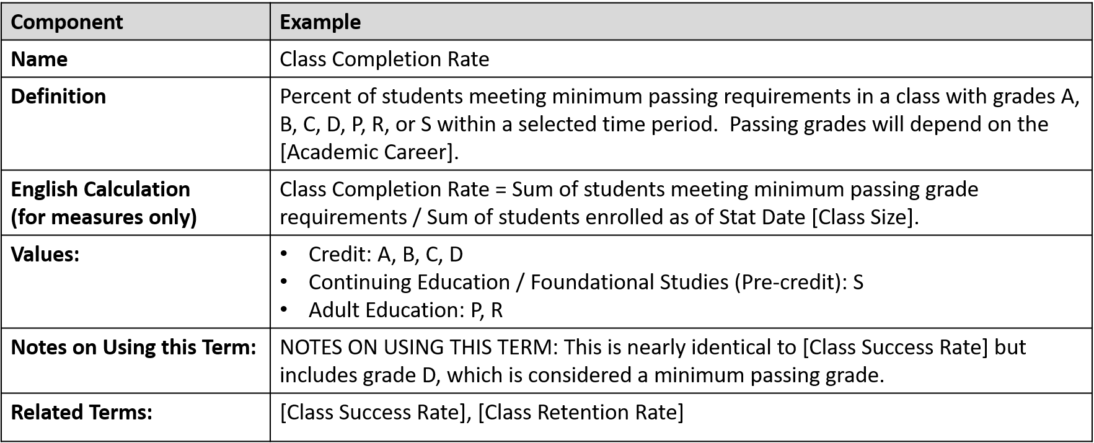

Note: Not all terms will contain values for each of the components listed above.

